assembly
ASSEMBLY CHECK SHEET |  |  |  |  | WO NUMBER |  |  |  |  |  | DOCUMENT NO |  |  | RC/QR04/EG/12/03
FRONT PTO PULLEY |  |  |  |  | COMP.MODEL |  |  |  |  |  | PUBLIC DATE
 |  |  |  |  | COMP.S/N |  |  |  |  |  | REVISION NO
SA6D140-2 |  |  |  |  | UNIT MODEL |  |  |  |  |  | PAGE

PROCESS |  | START |  |  |  |  |  | ASSEMBLY BY
 |  | FINISH

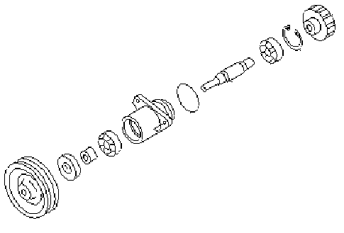
NO | PART TO INSTALL OR FIT |  | CONDITION TOBE ASSAMBLY |  |  |  | SPECIFICATION | SIGNATURE |  | SKETCH DRAWING OR PHOTHOES
 |  |  |  |  |  |  |  | MECH | GL/QA
1 | ALL PART

 |  |  | Confirm that Parts which have order do not DAMAGE,SCRATCH FREE FROM DIRT AND COROTION.

2 | SHAFT TO BEARING
 |  |  |  | Check surface bearing and shaft from scratch,damage and corotion.

 |  |  |  | Install Shaft to bearing. |  |  | Using special tool for press (F2)

 |  |  | hold inner race from bearing at pressing shaft.

3 | BEARING,SHAFT TO HOUSING
 |  |  |  | Confirm that housing free from dirt,crack,corrosion and damage.

 |  |  |  | Install bearing and shaft to housing,and install the other bearing from back side housing. |  |  | Using special tool for press (F2)

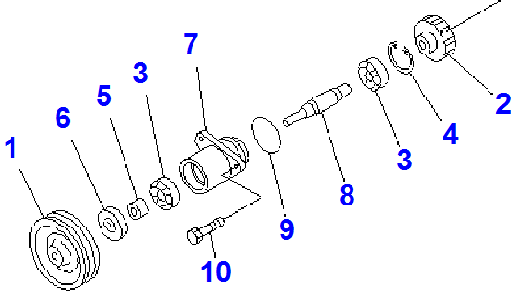

 |  |  | Bearing seat in housing must be clean and no scratch

4 | SNAPRING,SLEAVE AND OIL SEAL
 |  |  |  | Install snapring () to the housing.

 |  |  | Make sure grove snapring seen and can be installed.

 |  |  |  | Install Sleave() and Install oil seal()
 |  |  |  | Apply Gasket sealant to the outer face oil seal,than tap with plastic hammer to install oil seal. |  |  | LG - 6

 |  |  |  |  |  |  | Using plastic hammer

5 | GEAR ASSY
 |  |  |  | Make sure Gear assy free from scratch,pitting and damage.

 |  |  |  | Install Gear() to the shaft. |  |  | Press Fit

6 | PULLEY ASSY
 |  |  |  | Make sure pulley assy free from worn out and damage.

 |  |  |  | Install Shaft to Gear. |  |  | Press Fit

NOTE :

 | ASSEMBLY BY |  |  |  |  | INSPECTED BY |  |  |  |  |  |  | APPROVED BY

 | MECHANIC |  |  |  |  | Quallity Assurance(QA) |  |  |  |  |  | GL/SPV PRODUCTION

measuring
MEASUREMENT CHECK SHEET |  |  |  |  |  |  | WO NUMBER |  |  |  |  | DOCUMENT NO |  |  | RC/QR03/EG/11/04
FRONT PTO PULLEY |  |  |  |  |  |  | COMP.MODEL |  |  |  |  | PUBLIC DATE
 |  |  |  |  |  |  | COMP.S/N |  |  |  |  | REVISION NO
SA6D140-2 |  |  |  |  |  |  | UNIT MODEL |  |  |  |  | PAGE

PROCESS |  |  | START |  |  |  |  |  | MEASUREMENT BY
 |  |  | FINISH

NO | PART TO MEASURING OR INSPECT |  |  | STANDARD VALUE TABLE

1 | FRONT PTO PULLEY
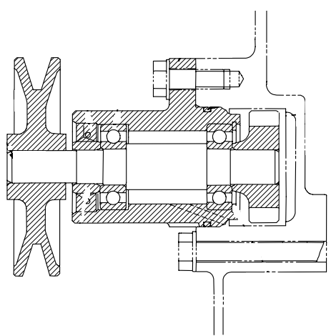

2
1

 |  |  |  |  |  |  |  |  |  |  |  |  |  | unit:mm
 |  |  |  |  | NO | CHECK ITEM |  | CRITERIA |  |  |  | ACTUAL
 |  |  |  |  |  |  |  | STANDART SIZE |  | POSITION

 |  |  |  |  | 1 | Outside diameter of shaft |  | 19.002 ~ 19.015 |  | 1 | X
 |  |  |  |  |  |  |  |  |  |  | Y
 |  |  |  |  |  |  |  |  |  | 2 | X
 |  |  |  |  |  |  |  |  |  |  | Y
 |  |  |  |  |  | Inside Diameter of Gear |  | 18.972 ~ 18.951 |  | 1 | X
 |  |  |  |  |  |  |  |  |  |  | Y
 |  |  |  |  |  |  |  |  |  | 2 | X
 |  |  |  |  |  |  |  |  |  |  | Y
 |  |  |  |  |  | Interference between OD shaft & ID gear |  | 0.030 ~ 0.064

 |  |  |  |  | 2 | Outside diameter of shaft |  | 18.002 ~ 18.015 |  | 1 | X
 |  |  |  |  |  |  |  |  |  |  | Y
 |  |  |  |  |  |  |  |  |  | 2 | X
 |  |  |  |  |  |  |  |  |  |  | Y
 |  |  |  |  |  | Inside Diameter of Pulley |  | 17.972 ~ 17.951 |  | 1 | X
 |  |  |  |  |  |  |  |  |  |  | Y
 |  |  |  |  |  |  |  |  |  | 2 | X
 |  |  |  |  |  |  |  |  |  |  | Y
 |  |  |  |  |  | Interference between OD shaft & ID pulley |  | 0.030 ~ 0.064

 |  |  |  |  | 3 | VISUAL CHECK |  | NO SCRATCH

 | NOTE

 |  | MECHANIC |  |  |  |  |  |  |  |  |  |  | GROUP LEADER (GL)

